Sheet1


IRS
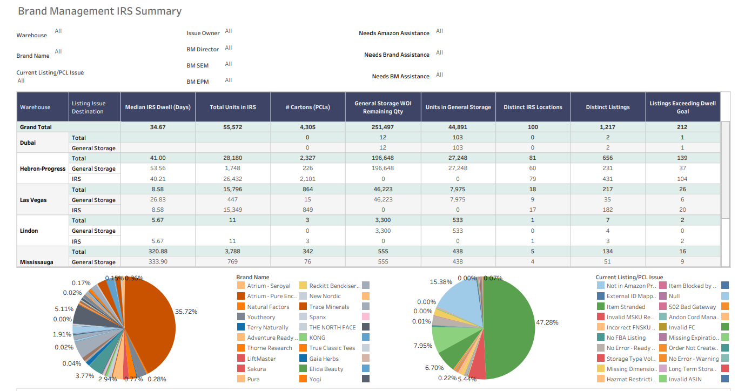
Row Labels | Count of Master ID | Average of Listing Issue Dwell (Days) | Sum of Total Units in IRS | WoW
Youtheory | 13 | 21 | 6730
Truvani | 7 | 33 | 3919
Pura | 59 | 435 | 3652
Concept Labs | 13 | 24 | 3089
Taylors of Harrogate - Yorkshire Tea | 12 | 13 | 2261
Swanson | 83 | 129 | 2024
Indigo Wild | 10 | 32 | 1886
Sakura | 28 | 72 | 1848
Designs for Health | 15 | 86 | 1568
JWC | 169 | 83 | 1232
Gorilla Mind | 2 | 61 | 1220
The Genius Brand | 12 | 49 | 1065
Vetnique Labs | 3 | 25 | 936
Jacked Factory | 1 | 131 | 884
KONG | 14 | 110 | 796
Natural Factors | 28 | 224 | 780
Herbs Etc. | 6 | 92 | 697
Petsafe | 37 | 48 | 694
Green People | 13 | 72 | 654
See Kai Run | 71 | 40 | 653
Atrium - Seroyal | 46 | 63 | 627
Onnit | 5 | 64 | 585
Dr. Schulze's | 14 | 30 | 565
Atrium - Pure Encapsulations | 34 | 377 | 546
Polar | 6 | 6 | 523
Skull Shaver | 5 | 58 | 460
CarbonKlean | 3 | 54 | 404
Spanx | 25 | 72 | 391
Weider | 16 | 66 | 371
Bradshaw Home | 4 | #DIV/0! | 343
Trace Minerals | 7 | 34 | 332
FROG | 8 | 55 | 330
Nature's Way | 5 | 303 | 323
Kevin Murphy | 8 | 56 | 265
Elida Beauty | 10 | 29 | 247
Johnny Slicks | 4 | 13 | 244
Hims & Hers | 1 | 109 | 220
ResMed | 9 | 153 | 216
LEATHERMAN | 11 | 63 | 192
THE NORTH FACE | 10 | 156 | 190
LiftMaster | 6 | 277 | 186
Lume | 4 | 18 | 186
Antica Farmacista | 14 | 113 | 180
Isagenix | 5 | 66 | 177
Super Coffee | 6 | 115 | 173
Yogi | 14 | 18 | 173
Corkcicle | 17 | 5 | 164
Flora Health | 14 | 27 | 156
LTH | 4 | 132 | 156
G-Form | 30 | 47 | 150
Echo Water | 2 | 28 | 142
Ori Lab | 2 | 152 | 138
Wahl Pro Barber/Stylist | 4 | 100 | 132
Twinlab Consolidation Corporation | 2 | 292 | 128
Kano Labs | 1 | #DIV/0! | 120
Dr Mercola | 11 | 63 | 114
Sylvania | 7 | 15 | 114
Pandora | 9 | 73 | 112
Adventure Ready Brands | 3 | 122 | 109
FINIS | 4 | 34 | 102
MegaFood | 2 | 6 | 96
Sage | 12 | 29 | 95
Kreg | 7 | 20 | 94
Terry Naturally | 5 | 153 | 88
Nite Ize | 11 | 32 | 83
Balance of Nature | 2 | 4 | 80
Brownmed | 1 | 34 | 80
Thorne Research | 5 | 7 | 78
Vetoquinol | 3 | 15 | 78
Klean Kanteen | 5 | 62 | 74
Quicksilver Scientific | 2 | 11 | 72
Metagenics | 5 | 39 | 66
HEYDUDE | 11 | 143 | 62
Panasonic | 5 | 0 | 62
Justified Laboratories | 2 | 103 | 61
Vital Nutrients | 2 | 568 | 60
GE Appliances | 3 | 96 | 53
SmartMouth | 3 | 1 | 53
Gerber Gear | 1 | #DIV/0! | 52
Natural Dog | 1 | 53 | 52
Gimme Beauty | 4 | 241 | 51
LifeScan | 6 | 22 | 51
Aroma360 | 1 | #DIV/0! | 49
Atrium - Douglas Laboratories | 1 | #DIV/0! | 48
Seeking Health | 3 | 3 | 48
Glanbia Performance Nutrition | 4 | 10 | 46
Scent Beauty | 9 | 159 | 46
Swissmar | 3 | 3 | 40
PurposeBuilt Brands | 5 | 65 | 37
Dr. Emil | 1 | 144 | 36
Atrium - Klean Athlete | 1 | 1 | 30
Babe | 2 | #DIV/0! | 30
LUXPRO | 1 | #DIV/0! | 27
Amy Myers MD | 2 | 174 | 26
Superfeet | 6 | 125 | 25
AmerOmega | 2 | 14 | 24
Feetures | 2 | 34 | 24
Nutri Advanced | 1 | 27 | 24
ROH | 1 | 27 | 24
Transparent Labs | 1 | #DIV/0! | 22
DOK | 3 | 172 | 21
Harry's | 2 | #DIV/0! | 18
AdvoCare | 2 | 0 | 17
DIVA | 2 | 17 | 16
Hotel Collection | 1 | #DIV/0! | 16
Adaptive Sound Technologies | 4 | #DIV/0! | 15
Claritag | 1 | 189 | 15
Timeless Skin Care | 1 | 111 | 15
Emerald Laboratories | 2 | 237 | 12
Gaia Pro | 1 | #DIV/0! | 12
Healthforce Superfoods | 1 | #DIV/0! | 12
Host Defense | 1 | #DIV/0! | 12
New Nordic | 2 | 8 | 12
Standard Process - Core | 5 | 39 | 12
Victorinox | 10 | 44 | 12
ADATA | 1 | #DIV/0! | 10
Turbie Twist | 1 | #DIV/0! | 10
Blendtec | 1 | 1 | 9
TUMI | 4 | 47 | 7
Fill Rite | 3 | #DIV/0! | 6
AmScope | 1 | 72 | 5
Coastal Pet | 2 | 158 | 5
True Classic Tees | 1 | #DIV/0! | 5
Reckitt Benckiser - Hygiene | 3 | #DIV/0! | 4
Bariatric Advantage | 1 | #DIV/0! | 3
Bosch TT | 7 | 376 | 3
Cross | 1 | 54 | 3
Fissler | 1 | #DIV/0! | 3
Parts Master | 1 | #DIV/0! | 3
Chameleon Colors | 2 | #DIV/0! | 2
Delta Faucet | 3 | 65 | 2
Faith in Nature | 1 | #DIV/0! | 2
Sizzix | 1 | 0 | 2
DKB Household | 1 | #DIV/0! | 1
Goodyear Belts | 3 | 104 | 1
Lively | 1 | #DIV/0! | 1
Nutricia - Fortini | 1 | 15 | 1
Paslode | 1 | 0 | 1
Reckitt Benckiser - Hygiene - Canada | 1 | #DIV/0! | 1
Sorel | 1 | #DIV/0! | 1
Stance | 1 | #DIV/0! | 1
AirCat | 2 | 421
Athlon Optics | 1 | 137
Bioma | 1 | 8
Gaia Herbs | 1 | 14
Jan Marini Skin Research | 1 | 60
Lodge Manufacturing Company | 3 | 834
NATURELO | 1 | 376
Nutrex Hawaii, Inc. | 1 | 1
Peter Thomas Roth | 3 | 504

